Sheet1
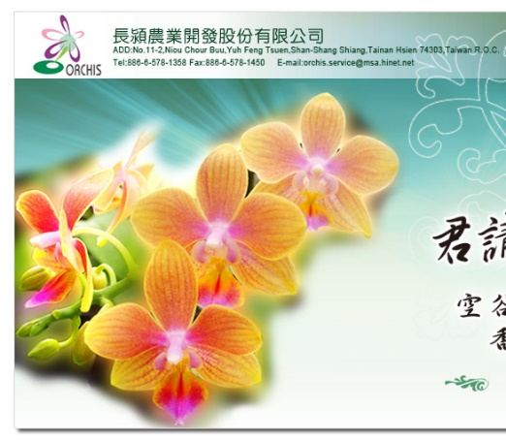
 | Mallee Phallies Orchid Importers
 | Keva & Lesley Lloyd, 13 Glenwill Drive, Epsom, Vic. 3551
 | TEL: (03) 5448 3839 MOB: 0418 579998
 | E-mail: malleephallies@kevalloyd.com.au
 | Enter the desired Quantity of Plants in the Column "Q". The "Total" column will update automatically.
Orchis - Jan. '22 |  | NB. This order form is for your benefit only - Code, Name & Quantity by return email is all that is needed to place an order. |  |  | ↓

Photos | Code | Name | Available | Price $AU | My Order | Cost excl. GST

 |  | 25-30 plants / bottle
 | Phalaenopsis
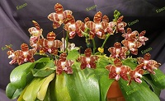 | 4742-1 | P. amboinensis 'Yellow' (seedlings) | 4 | $70.00 |  | $0.00
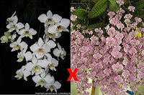 | 41421 | P. (aphrodite x schilleriana) (seedlings) | 5 | $70.00 |  | $0.00
 | Cattleya |  |  |  |  | $0.00
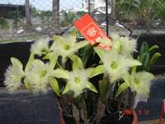 | 6193 | Brassavola digbyana 'ORCHIS' x self (mericlone) | 3 | $70.00 |  | $0.00
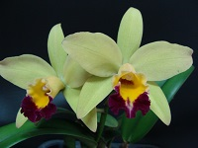 | 6740 | Rlc. Green Taipower 'ORCHIS' (mericlone) | 6 | $70.00 |  | $0.00
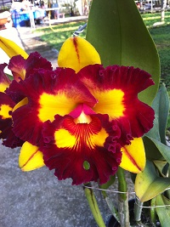 | 6768 | Rlc. Lai Ching-Te 'ORCHIS' (mericlone) | N/A | $70.00 |  | $0.00
 | 61095 | C. Monte Elegante x Cattlianthe Tristar Bouquet (seedlings) | 5 | $65.00 |  | $0.00
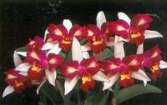 | 61097 | Rlc. Haw Yuan Beauty 'ORCHIS' | 5 | $70.00 |  | $0.00
 | 61099 | Rlc. (Shin Shiang Diamond 'ORCHIS' x Golden Phoenix 'Orange') (seedlings) | 5 | $65.00 |  | $0.00
 | 61101 | Bark. Eagle Eye 'All Victory' x Rlc. Burdekin Wonder 'Lakelard' (seedlings) | 6 | $70.00 |  | $0.00
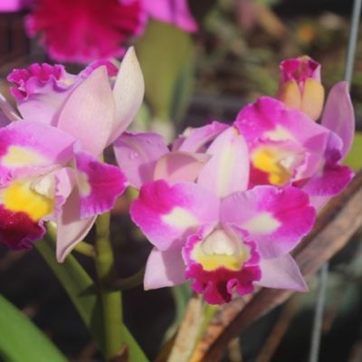 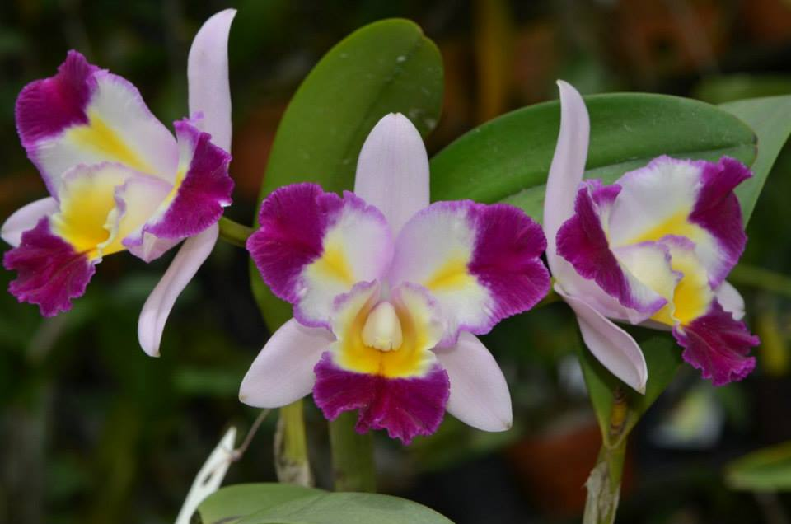 | 61127 | Rlc. (Taiwan Smiley Beauty x Village Chief Chanel) | 5 | $70.00 |  | $0.00
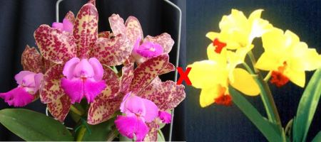 | 61128 | C. (Taiwan Green Emerald x Tokyo Magic) (seedlings) | N/A | $65.00 |  | $0.00
 | Oncidium |  |  |  |  | $0.00
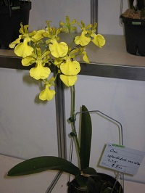 | 7139 | Oncidium splendidum var alba x sib (seedlings) | 6 | $70.00 |  | $0.00
 | Others |  |  |  |  | $0.00
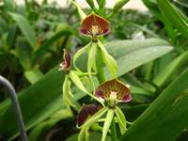 | 9078 | Encyclia cochleata (seedlings) | 5 | $70.00 |  | $0.00
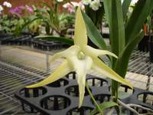 | 9100 | Angraecum Lemforde White Beauty (=Angraecum magdalenae x Angraecum sesquipedale) (seedlings) | 5 | $70.00 |  | $0.00
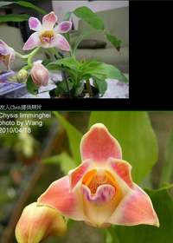 | 9239 | Chysis limminghii (seedlings) | 5 | $70.00 |  | $0.00
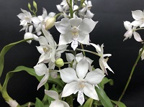 | 9246 | Caularthron bicornutum (mericlone) | 4 | $70.00 |  | $0.00
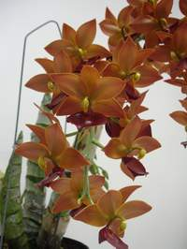 | 9252 | Cycd. Taiwan Gold 'Taiwan Orange' (mericlone) | 5 | $70.00 |  | $0.00
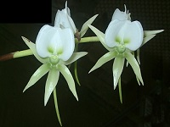 | 9362 | Angraecum eburneum (mericlone) | 6 | $70.00 |  | $0.00
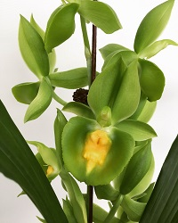 | 9371-1 | Catasetum Pileabrosum Green (mericlone) | 5 | $70.00 |  | $0.00
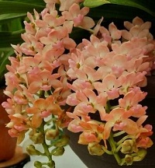 | 9438 | Rhynchostylis gigantea (orange) x sib (Seedlings) | 6 | $70.00 |  | $0.00
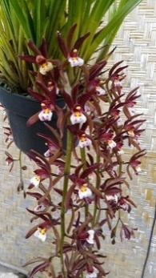 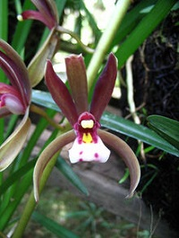 | 9580 | Cymbidium atropurpureum (mericlone) | 6 | $70.00 |  | $0.00
 | Dendrobium |  |  |  |  | $0.00
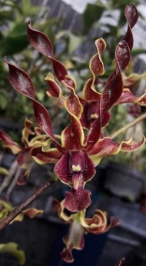 | 10445 | Den. Indonesia Damai (seedlings) = Den. Tosons x Den. lasianthera | 5 | $70.00 |  | $0.00
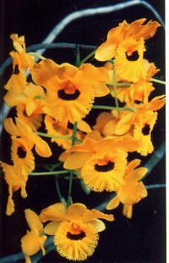 | 10447 | Den. fimbriatum x sib (seedlings) | 6 | $70.00 |  | $0.00

 |  |  |  |  |  | $0.00

 |  | Quantity Discounts: 1-5 flasks NETT,
 |  | 6-10 flasks less 2.5%,
 |  | 11-20 less 5%,
 |  | 21-30 less 10%,
 |  | 31-40 less 15%,
 |  | over 40 less 20%

