Sheet1
Kasorn Orchids, Thailand |  | Mallee Phallies Orchid Importers
 |  | Keva & Lesley Lloyd, 13 Glenwill Drive, Epsom, Vic. 3551
 |  | TEL: (03) 5448 3839 MOB: 0418 579998
Spring-Summer 2020 |  | E-mail: malleephallies@kevalloyd.com.au
 |  | Enter the desired Quantity of Plants in the Column "Q". The "Total" column will update automatically.
 |  |  | NB. This order form is for your benefit only - Code, Name & Quantity by return email is all that is needed to place an order. |  |  | ↓

Pre-orders have now closed and the shipment has arrived. Some stock remains. Please see the "Available now!" column …..

Photos |  | Code | Name | Available now! | Price $AU | My Order | Cost excl. GST

Photos below have been sources from Google and may be subject to copyright!
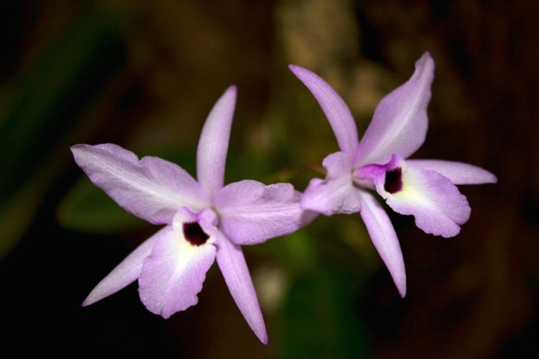 | 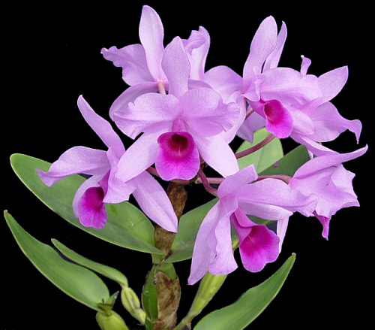 | MCD-1582 | Laelia rubescens x Guarianthe hennisiana (Cattleya deckeri) | 4 | $69.00 |  | $0.00
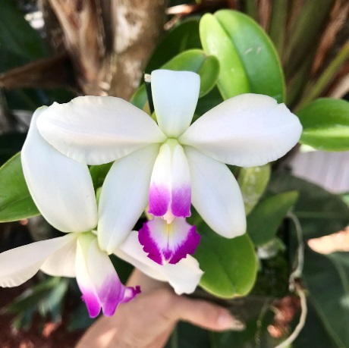 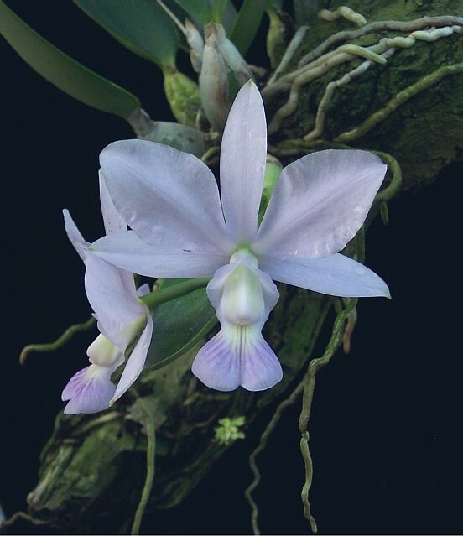 |  | MCD-1624 | Cattleya violacea semi alba x Cattleya walkeriana blue | 5 | $69.00 |  | $0.00
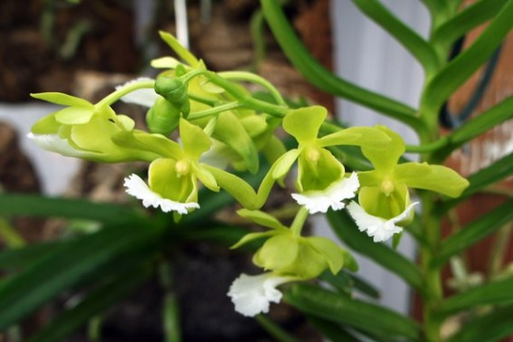 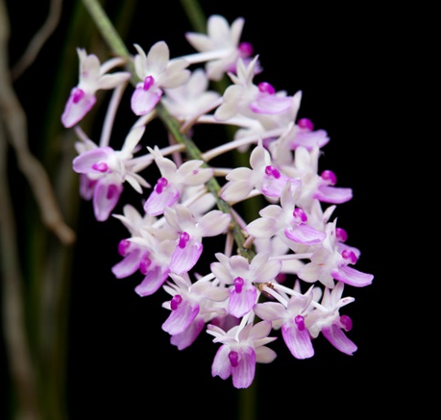 | 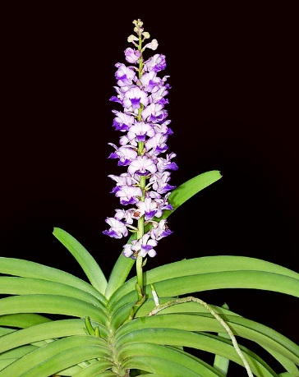 |  | (Vanda vietnamica x Seidenfadenia mitrata) x Rhynchostylis coelestis | Sold out! | $69.00 |  | $0.00

 |  |  |  |  |  |  | $0.00

 |  |  | Quantity Discounts: 1-5 flasks NETT,
 |  |  | 6-10 flasks less 2.5%,
 |  |  | 11-20 less 5%,
 |  |  | 21-30 less 10%,
 |  |  | 31-40 less 15%,
 |  |  | over 40 less 20%

