Sheet1
Kasorn Orchids, Thailand |  | Mallee Phallies Orchid Importers
 |  | Keva & Lesley Lloyd, 13 Glenwill Drive, Epsom, Vic. 3551
 |  | TEL: (03) 5448 3839 MOB: 0418 579998
 |  | E-mail: malleephallies@kevalloyd.com.au
Autumn 2023 |  |  | ABN: 94 651 095 473

 |  |  | NB. This order form is for your benefit only - Code, Name & Quantity by return email is all that is needed to place an order. |  |  | ↓

Photos |  | Code | Name | Available | Price $AU | My Order | Cost excl. GST

Pre-orders have now closed! The "Available" column indicates stock on hand ….
NB: Photos shown here have been sourced from the web and may therefore be subjected to copyright!
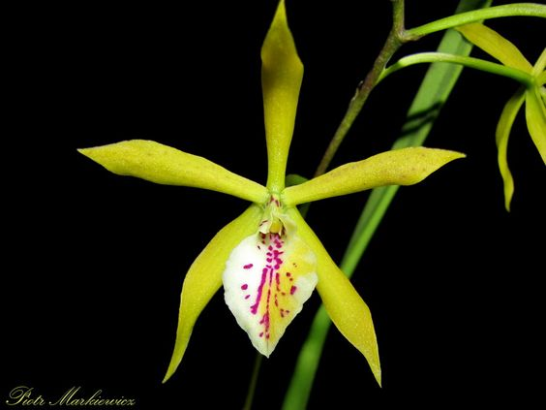 | 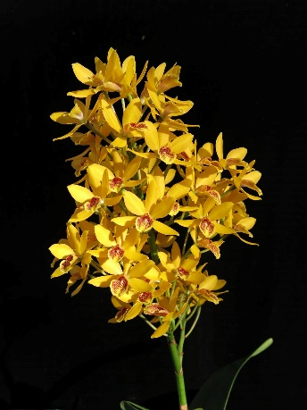 | MCD-1862 | (Brassavola cordata-Encyclia tampanensis) x Guaricyclia Kyoguchi | 2 | $75.00 |  | $0.00
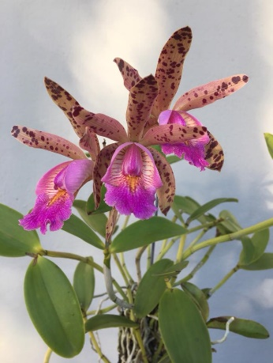 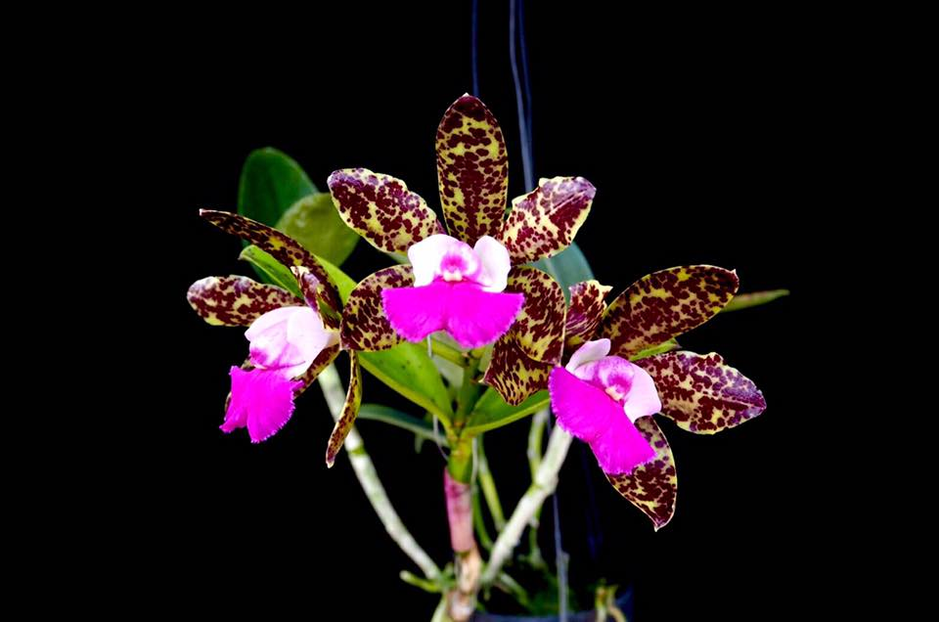 |  | MCD-1903 | Cattleya (quinquecolor x landate) | 2 | $69.00 |  | $0.00
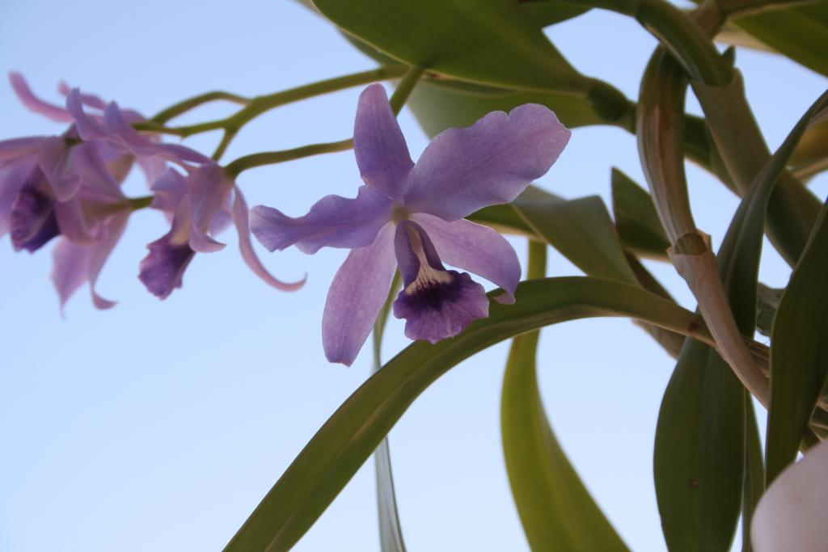 |  | MCD-1927 & MCD-1928 | Catt. bowringiana blue | 2 | $75.00 |  | $0.00
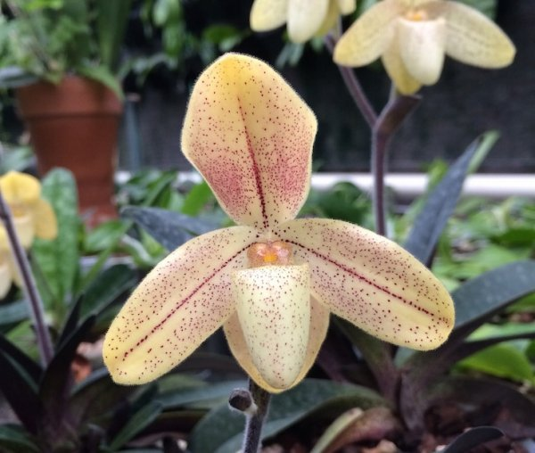 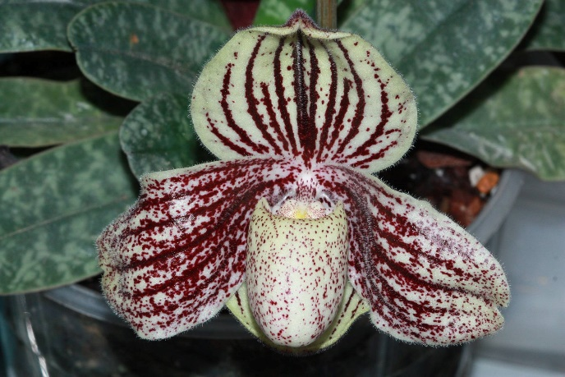 |  | MCD-1954 & MCD-2044 | Paphiopedilum (concolor var striatum x myanmaricum) | 3 | $85.00 |  | $0.00
 |  | MCD-1955 & MCD-2026 | Paphiopedilum myanmaricum | 3 | $85.00 |  | $0.00
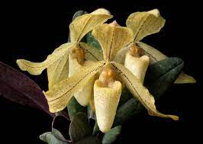 |  | MCD-2001 | Paphiopedilum (josianae x myanmaricum) | 2 | $85.00 |  | $0.00
 |  | MCD-2016 | Paphiopedilum (myanmaricum x concolor var striatum) | 2 | $85.00 |  | $0.00
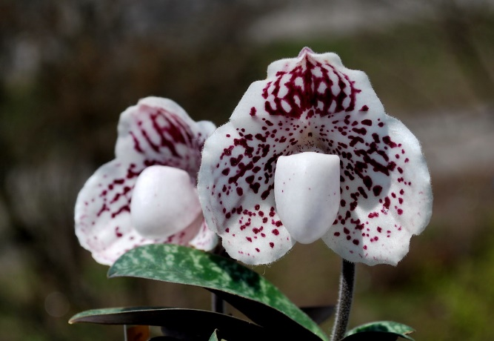 |  | MCD-2027 | Paph. (godefroyae x myanmaricum) | 2 | $85.00 |  | $0.00
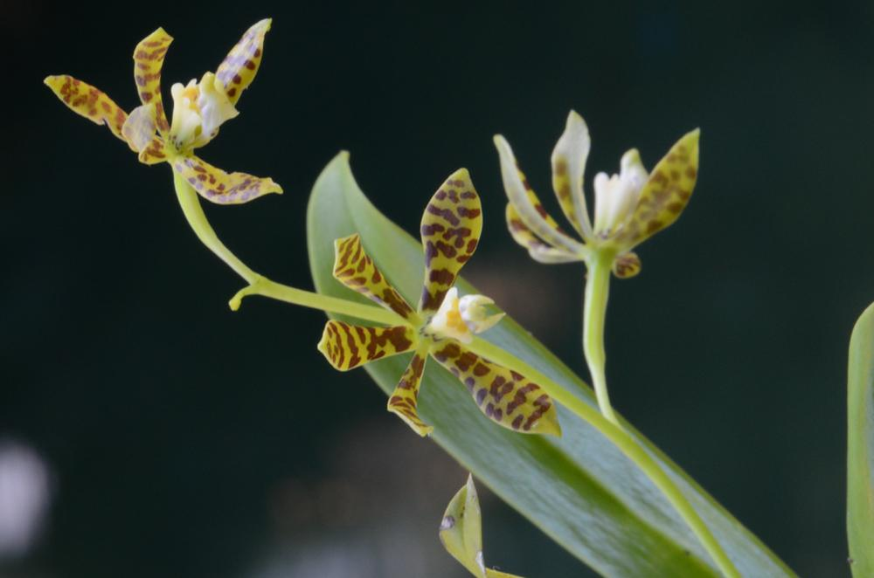 |  | MCD-2076 | Prosthechea (Encyclia) boothiana | 2 | $75.00 |  | $0.00
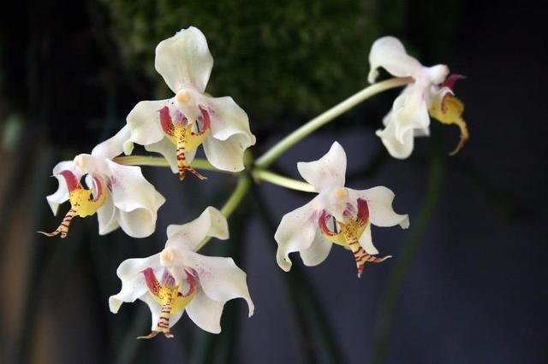 | 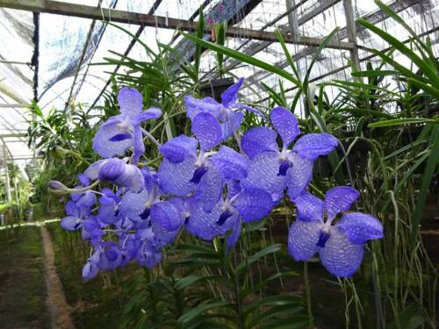 | MCH-15 | Paraphalaenopsis serpentilingua x Vanda coerulea | 2 | $75.00 |  | $0.00
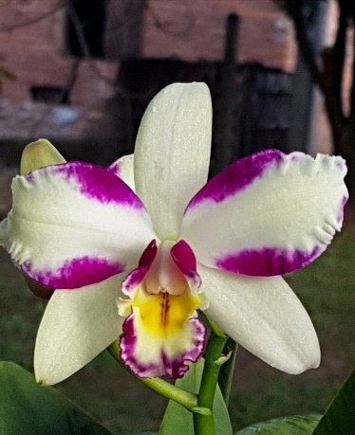 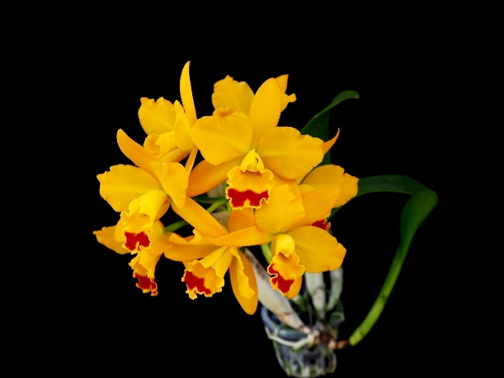 |  | MCH-17 | Rhyncholaeliocattleya Haw Yuan Beauty x Cattlianthe Jiara Goldmine | 1 | $69.00 |  | $0.00
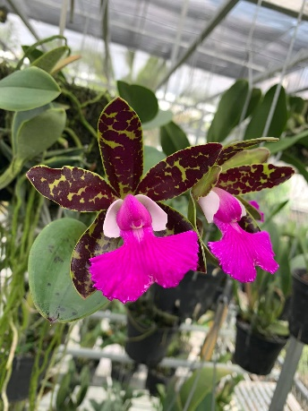 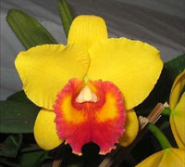 |  | MCH-26 | Cattleya Pradit Spot x Rhyncattleanthe Haw Yuan Glory | 2 | $69.00 |  | $0.00
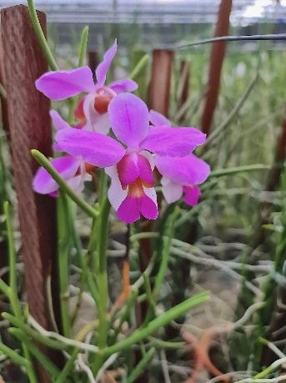 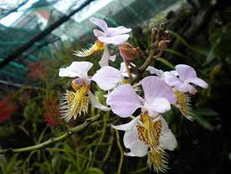 |  | MCH-40 | Papilionanthe (teres x pedunculata) | 2 | $75.00 |  | $0.00
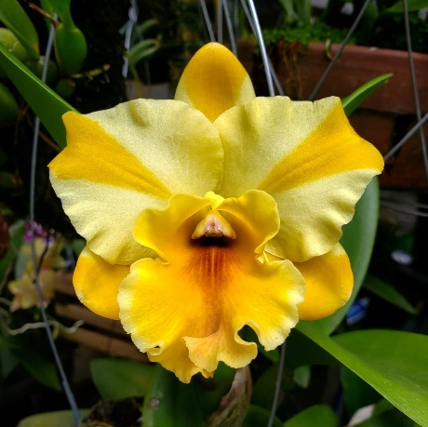 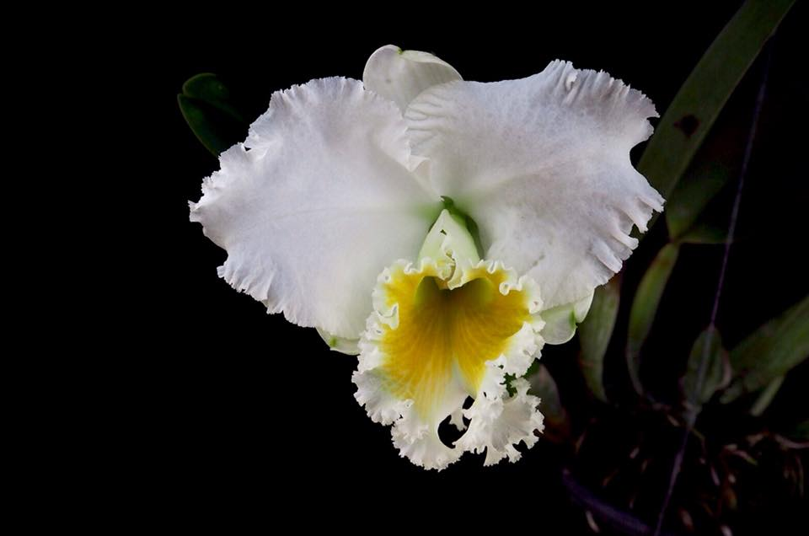 |  | MCD-1948 | Cattleya (Nell Hammer x Platinum Charm) | 1 | $69.00 |  | $0.00
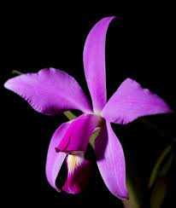 |  | MCD-2030 | Cattleya violacea | 2 | $75.00 |  | $0.00
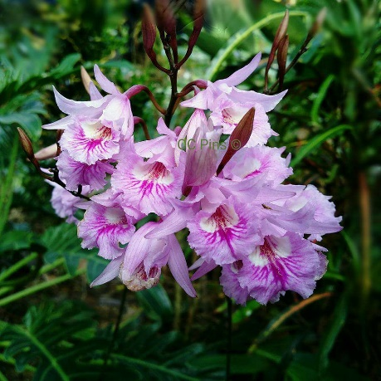 |  | MCD-2061 | Broughtonia negrilensis | 0 | $75.00 |  | $0.00
 |  |  |  |  |  |  | $0.00
 |  |  |  |  |  |  | $0.00
 |  |  | Quantity Discounts: 1-5 flasks NETT,
 |  |  | 6-10 flasks less 2.5%,
 |  |  | 11-20 less 5%,
 |  |  | 21-30 less 10%,
 |  |  | 31-40 less 15%,
 |  |  | over 40 less 20%

