Sheet1
 |  | Mallee Phallies Orchid Importers
 |  | Keva & Lesley Lloyd, 13 Glenwill Drive, Epsom, Vic. 3551
 |  | TEL: (03) 5448 3839 MOB: 0418 579998
 |  | E-mail: malleephallies@kevalloyd.com.au
 |  |  | ABN: 94 651 095 473
Spring 2024 |  | Enter the desired Quantity of Plants in the Column "Q". The "Total" column will update automatically.
 |  |  | NB. This order form is for your benefit only - Code, Name & Quantity by return email is all that is needed to place an order. |  |  |  | ↓

Photos |  | Code | Name | Available | Flower Size | Price $AU | My Order | Cost excl. GST

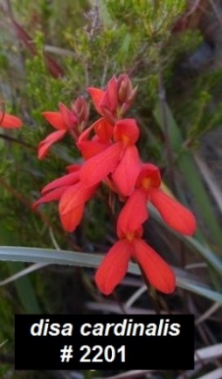 |  | # 2201 | Disa cardinalis | 5 | seedling | $170.00 |  | $0.00
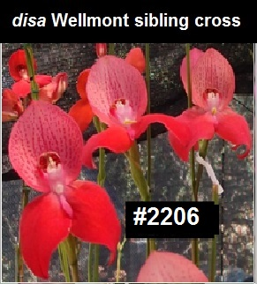 |  | # 2206 | Disa Wellmont (d. Angelica ᵨᵨ x d. Helmut Meyer) sibling cross | 5 | seedling | $170.00 |  | $0.00
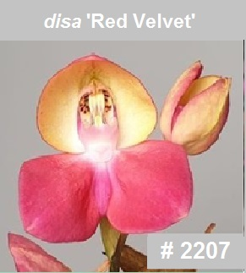 |  | # 2207 | Disa Red Velvet (d. Estelle Yach sp x d. unitrikew pp) | 1 | seedling | $170.00 |  | $0.00
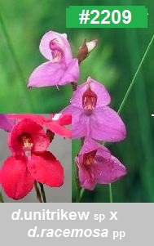 |  | #2209 | Disa Trimosa (d.Unitrikew x d.racemosa ᵨᵨ) | 3 | seedling | $170.00 |  | $0.00
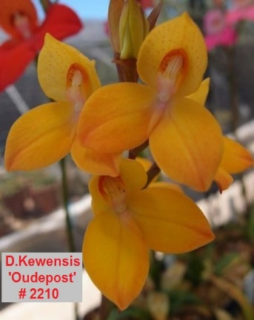 |  | # 2210 | Disa Kewensis ‘Oudepost’ | 5 | clone | $170.00 |  | $0.00
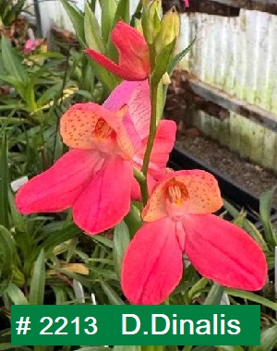 |  | # 2213 | Disa Dinalis (D.Diores ‘Sylvia’ x Disa cardinalis ᵨᵨ) | 5 | seedling | $170.00 |  | $0.00
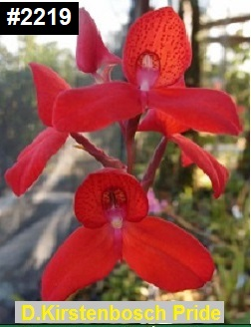 |  | # 2214 | Disa Wellmont Pride (d. Kirstenbosch Prideᵨᵨ x d. Wellmont) | 3 | seedling | $170.00 |  | $0.00
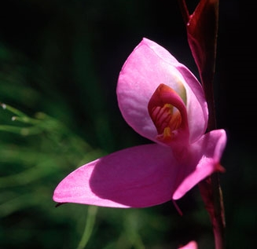 |  | # 2222 | Disa racemosa Bainskloof | 3 | seedling | $170.00 |  | $0.00
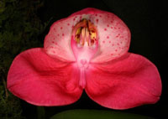 | 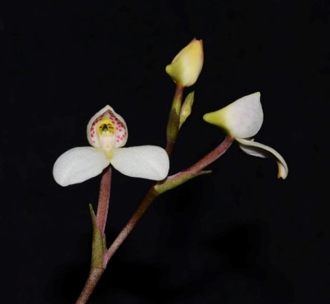 | # 2226 | Disa Kewdiortra (d.Kewdiorᵨᵨ x d.Trata) | 4 | seedling | $170.00 |  | $0.00
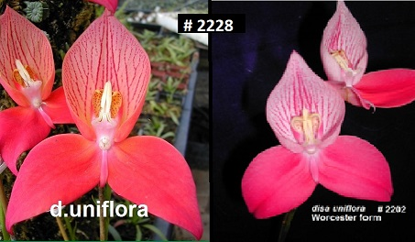 |  | # 2228 | Disa uniflora 'Trimont' (Worcester x {Du Toitskloof x Cedarberg}) | 5 | seedling | $170.00 |  | $0.00
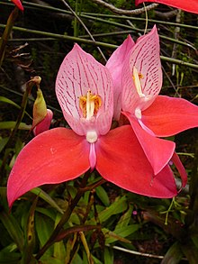 |  | # 2233 | Disa uniflora Tbmtn | 5 | seedling | $170.00 |  | $0.00
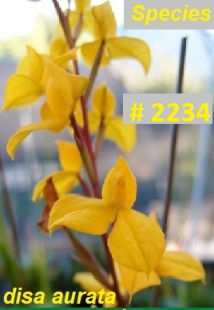 |  | # 2234 | Disa aurata | 5 | seedling | $170.00 |  | $0.00
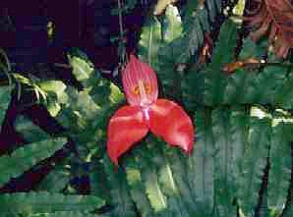 |  | # 2235 | Disa uniflora Greyton x Tbmtn | 5 | seedling | $170.00 |  | $0.00
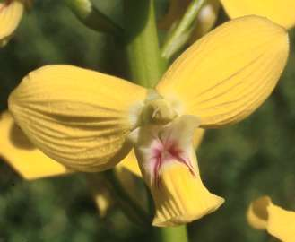 |  | # 2236 | eulophia speciosa* 5 plants per flask | 3 | seedling | $115.00 |  | $0.00
 |  | # 2237 | Disa Kewensis 'Ever Pink' | 1 | clone | $170.00 |  | $0.00
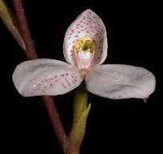 |  | # 2243 | Disa tripetaloides pink flush | 2 | seedling | $170.00 |  | $0.00
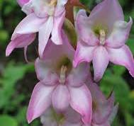 |  | #2244 | Disa crassicornis ** 3 plants per flask | 1 | seedling | $115.00 |  | $0.00
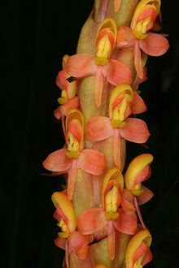 |  | #2248 | Disa chrysostachya ** 3 plants per flask | 1 | seedling | $115.00 |  | $0.00
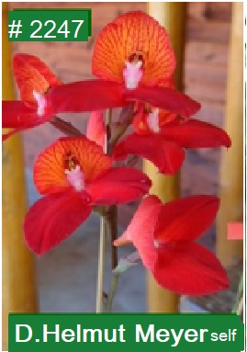 |  | #2249 | Disa Helmut Meyer sibling cross of ( (Dkt uniflora 1068 x 1059) x KB Pride PL01) | 3 | seedling | $170.00 |  | $0.00
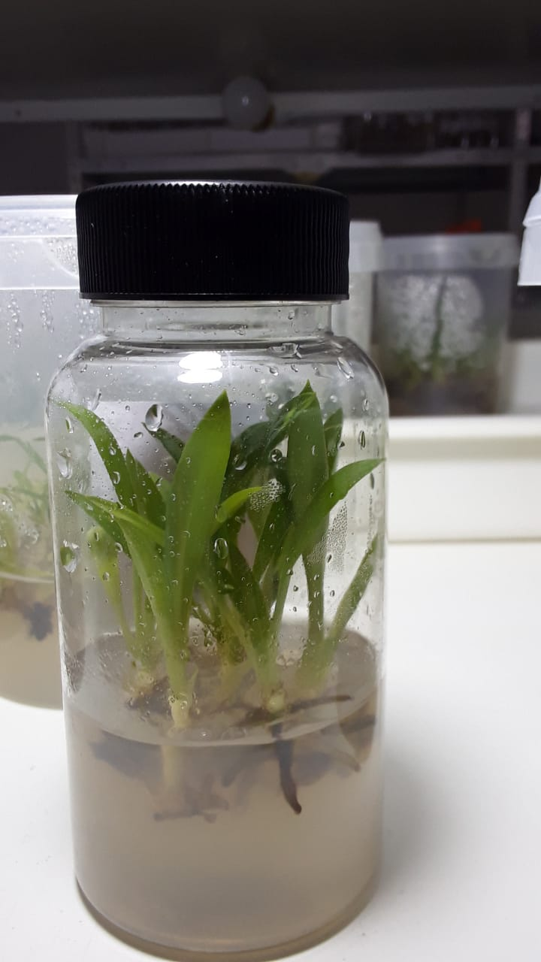 |  |  | Typical Disa House, South Africa flask - 10 seedlings per flask |  |  |  |  | $0.00

 |  |  |  |  | Total inc. GST: |  |  | $0.00

 |  |  | Quantity Discounts: 1-5 flasks NETT,
 |  |  | 6-10 flasks less 2.5%,
 |  |  | 11-20 less 5%,
 |  |  | 21-30 less 10%,
 |  |  | 31-40 less 15%,
 |  |  | over 40 less 20%

