Sheet1
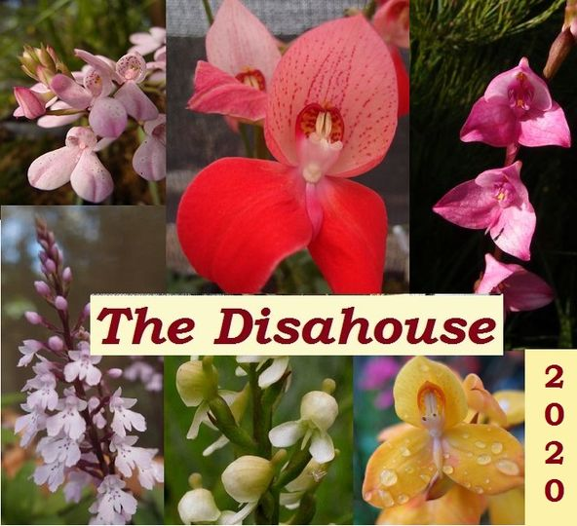
 |  | Mallee Phallies Orchid Importers
 |  | Keva & Lesley Lloyd, 13 Glenwill Drive, Epsom, Vic. 3551
 |  | TEL: (03) 5448 3839 MOB: 0418 579998
 |  | E-mail: malleephallies@kevalloyd.com.au
 |  | ABN: 95 651 095 473

 |  | Enter the desired Quantity of Plants in the Column "Q". The "Total" column will update automatically.
Spring 2022 |  |  | NB. This order form is for your benefit only - Code, Name & Quantity by return email is all that is needed to place an order. |  |  |  | ↓

Photos |  | Code | Name | Type | Available | Price $AU | My Order | Cost excl. GST

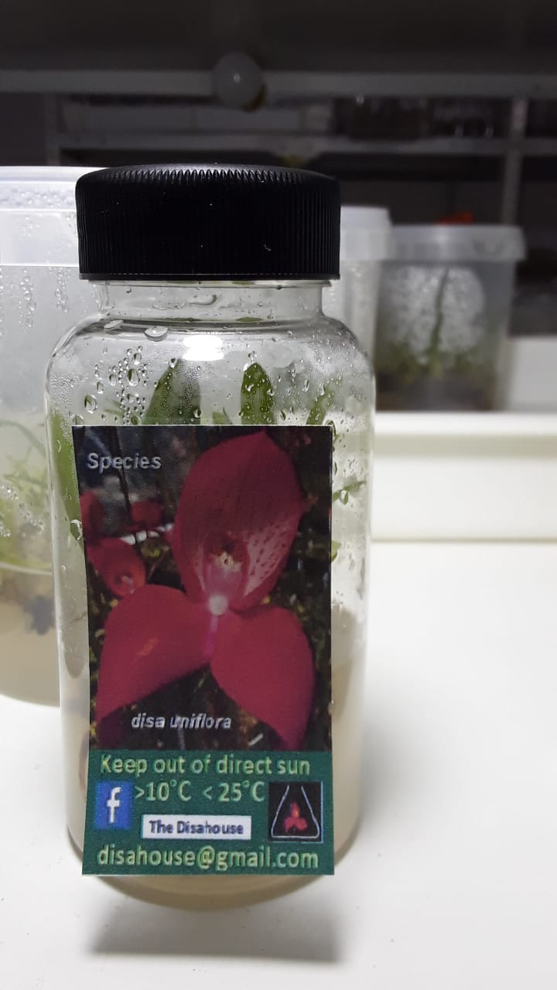
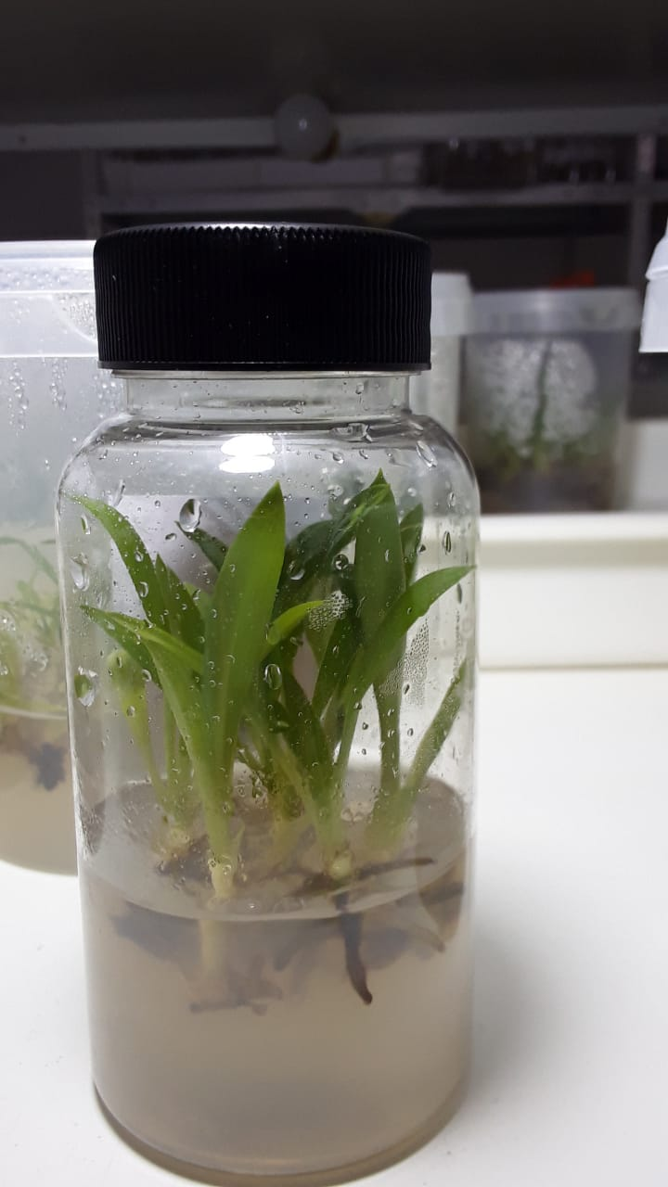
 | Updated 27/07/2022
 |  | Typical Disa House, South Africa flask - 10 seedlings per flask

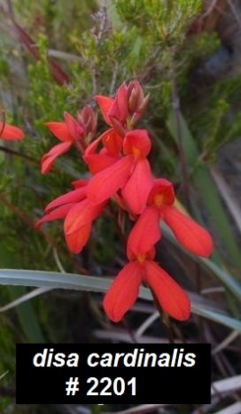 |  | # 2201 | Disa cardinalis | seedling | 5 | $150.00 |  | $0.00
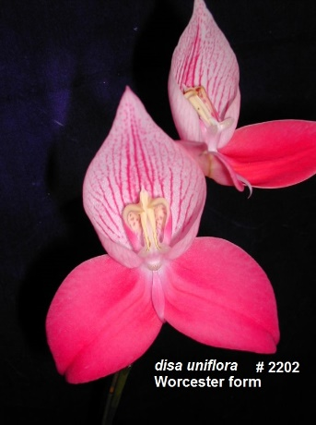 |  | # 2202 | Disa uniflora Worcester (pink form) | seedling | 5 | $150.00 |  | $0.00
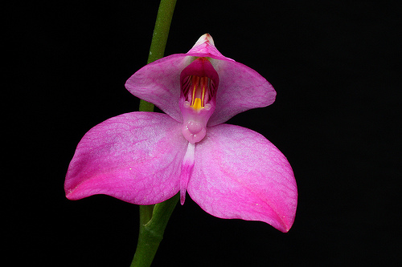 | similar to. | # 2203 | Disa racemosa Tradouws Pass | seedling | 1 | $150.00 |  | $0.00
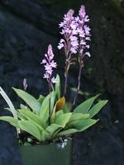 |  | # 2205 | Stenoglottis mcloughlanii | seedling | 2 | $150.00 |  | $0.00
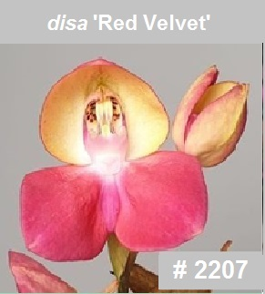 |  | # 2207 | Disa Red Velvet (Disa unitrikew pp x Disa uniflora Estelle Yach sp) | seedling | 2 | $150.00 |  | $0.00
 |  | # 2208 | Disa Cape Flame ( Disa Helmut Meyer pink sp x Disa Estelle Yach pp) | seedling | 1 | $150.00 |  | $0.00
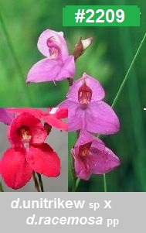 |  | # 2209 | Disa Trimosa (Disa Unitrikew sp x Disa racemosa pp) | seedling | 3 | $150.00 |  | $0.00
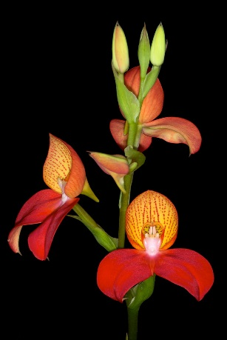 |  | # 2211 | Disa Helmut Meyer | seedling | 1 | $150.00 |  | $0.00
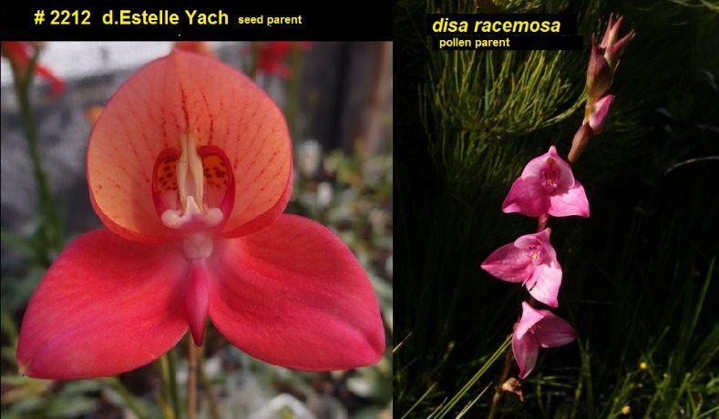 |  | # 2212 | Disa Estimosa (Disa Estelle Yach sp x Disa racemosa pp) | seedling | 1 | $150.00 |  | $0.00
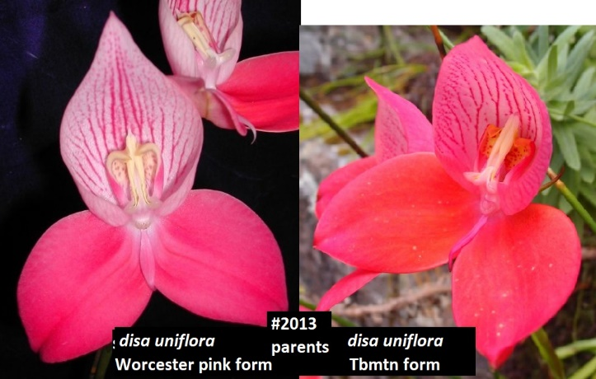 |  | # 2213 | Disa MontMeyer (Disa Helmut Meyer FH x Disa Wellmont) | seedling | 3 | $150.00 |  | $0.00
 |  | # 2214 | Disa Wellmont Pride (Disa Kirstenbosch Pride pp x Disa Wellmont sp) | seedling | 2 | $150.00 |  | $0.00
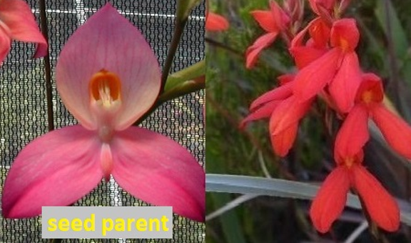 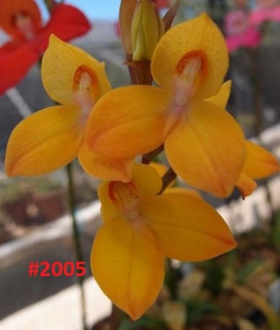 |  | # 2215 | Disa Dinalis (Disa Diores ‘Sylvia’ sp x Disa cardinalis pp) | seedling | Sold out! | $150.00 |  | $0.00
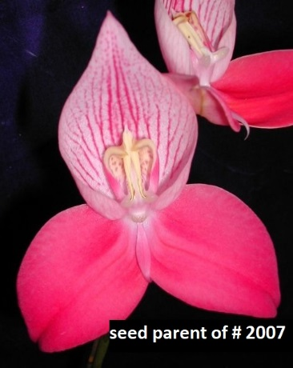 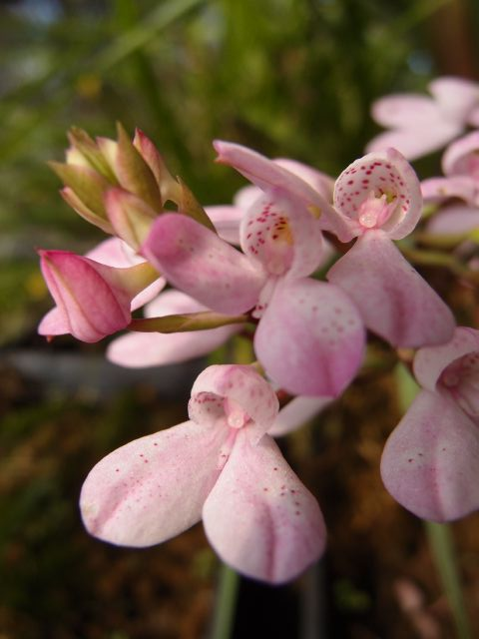 |  | # 2216 | Disa Kewensis 'La Mont' (Disa uniflora Worcester Pink pp x Disa tripetaloides sp) | seedling | 2 | $150.00 |  | $0.00
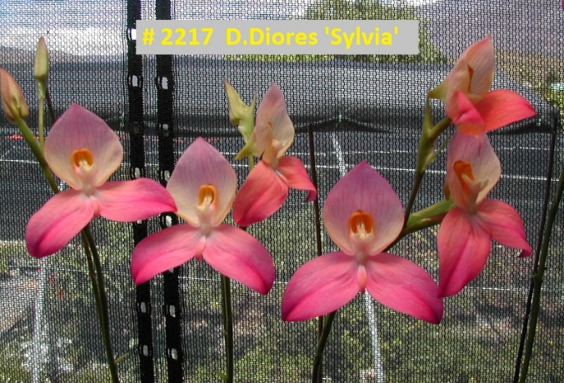 |  | # 2217 | Disa Diores 'Sylvia' (selfing) | seedling | 2 | $150.00 |  | $0.00
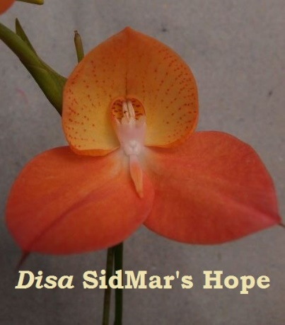 |  | # 2218 | Disa SidMar’s Hope [selected clone - (Disa Angelica sp x Disa cardinalis pp)] | selected clone | Sold out! | $150.00 |  | $0.00
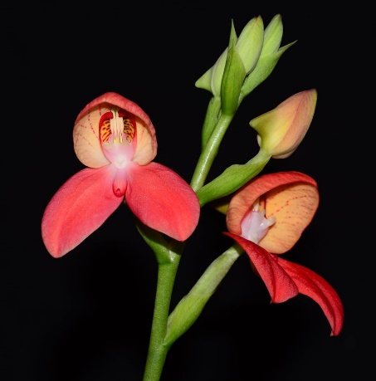 |  | # 2219 | Disa Kirstenbosch Pride [selfing of (Disa uniflora Cedarberg sp x Disa cardinalis)] | seedling | 2 | $150.00 |  | $0.00
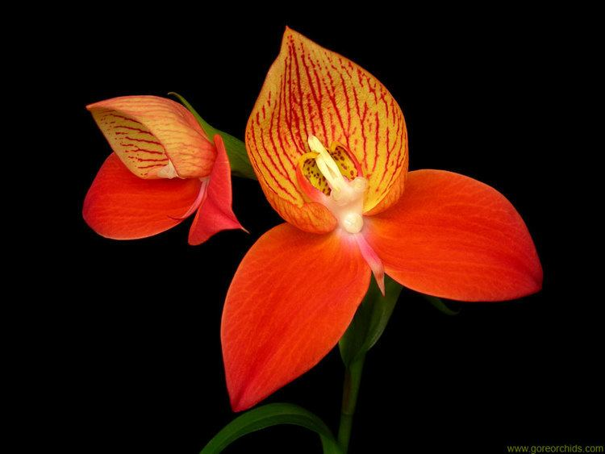 | similar to. | # 2220 | Disa uniflora (16-09 Disa uni Echo Valley sp x Disa uni Worcester pp) | selected clone | Sold out! | $150.00 |  | $0.00
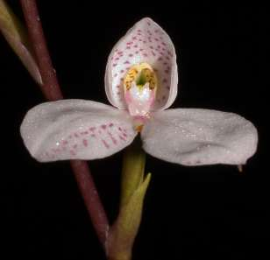 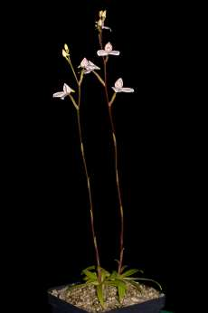 |  | # 2222 | Disa tripetaloides | seedling | 1 | $150.00 |  | $0.00

 |  |  |  |  | Total inc. GST: |  |  | $0.00

 |  |  | Quantity Discounts: 1-5 flasks NETT,
 |  |  | 6-10 flasks less 2.5%,
 |  |  | 11-20 less 5%,
 |  |  | 21-30 less 10%,
 |  |  | 31-40 less 15%,
 |  |  | over 40 less 20%

