Sheet1
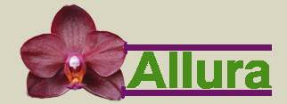
 |  | Mallee Phallies Orchid Importers
 |  | Keva & Lesley Lloyd, 13 Glenwill Drive, Epsom, Vic. 3551
 |  | TEL: (03) 5448 3839 MOB: 0418 579998
 |  | E-mail: malleephallies@kevalloyd.com.au
 |  |  |  | ABN: 94 651 095 473
Winter-Spring 2024 |  | Enter the desired Quantity of Plants in the Column "Q". The "Total" column will update automatically.
 |  |  |  | NB. This order form is for your benefit only - Code, Name & Quantity by return email is all that is needed to place an order. |  |  |  |  | ↓

Photos |  | Code | Memo | Name | Available | Flower Size | Spike Height | Price $AU | My Order | Cost excl. GST

Flasks from Allura's partners …..
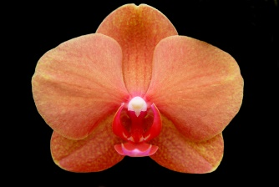 | 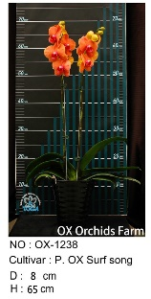 | AJT-012 | Mericlone (23 plants per flask) Plastic Container | Phal. OX Surf Song | 6 | 8.5 | 65 | $75.00 |  | $0.00
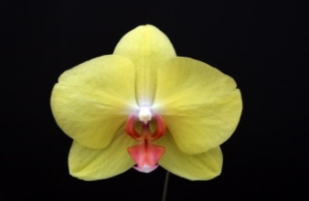 | 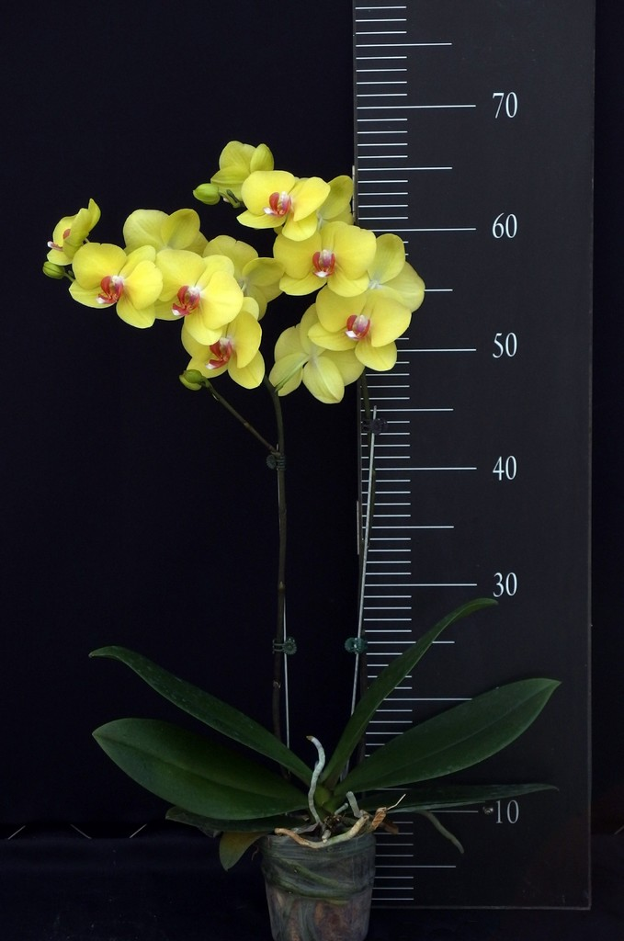 | AJT-013 | Mericlone (23 plants per flask) Plastic Container | Phal. Fuller's Sunset | 5 | 8.5 | 60 | $75.00 |  | $0.00
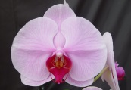 | 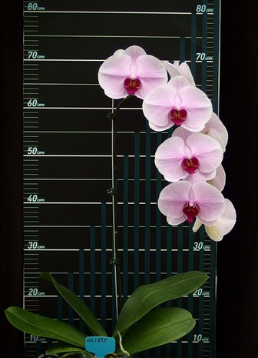 | AJT-002 | Mericlone (23 plants per flask) Plastic Container | Phal. OX Honey | 3 | 13.5 | 72 | $75.00 |  | $0.00
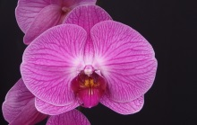 | 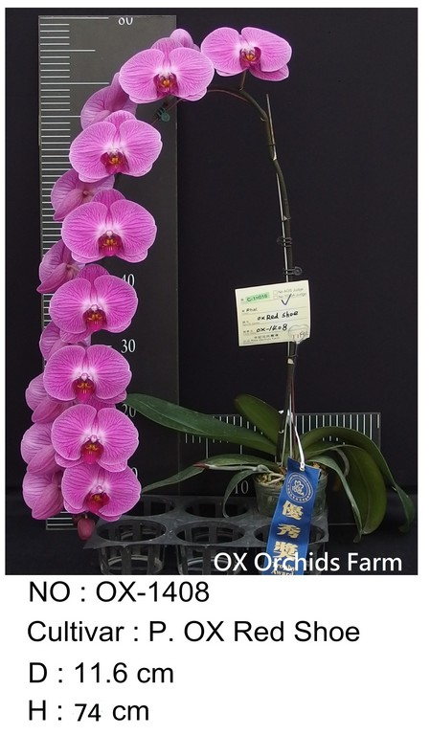 | AJT-039 | Mericlone (23 plants per flask) Plastic Container | Phal. OX Red Shoe | 6 | 11.6 | 75 | $75.00 |  | $0.00
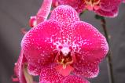 | 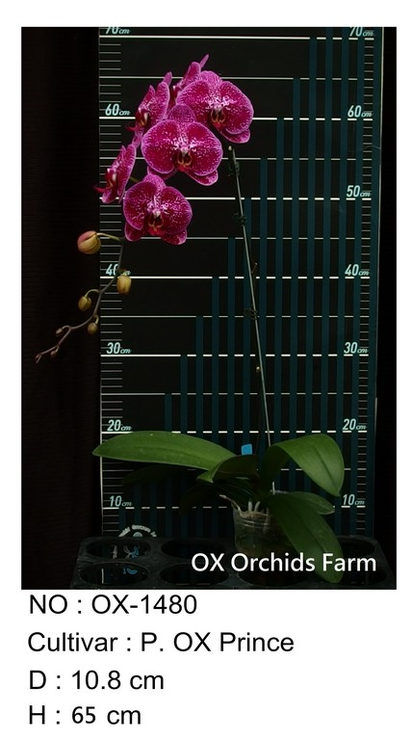 | AJT-015 | Mericlone (23 plants per flask) Plastic Container | Phal. OX Prince | n/a | 10.8 | 70 | $75.00 |  | $0.00
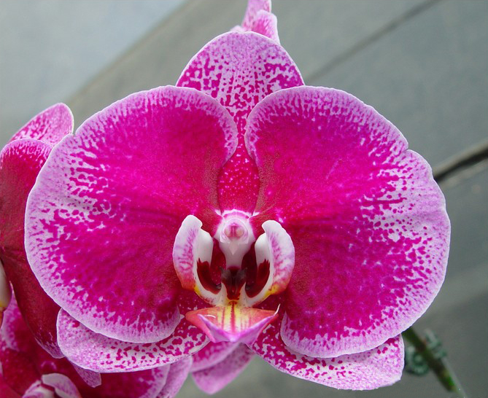 | 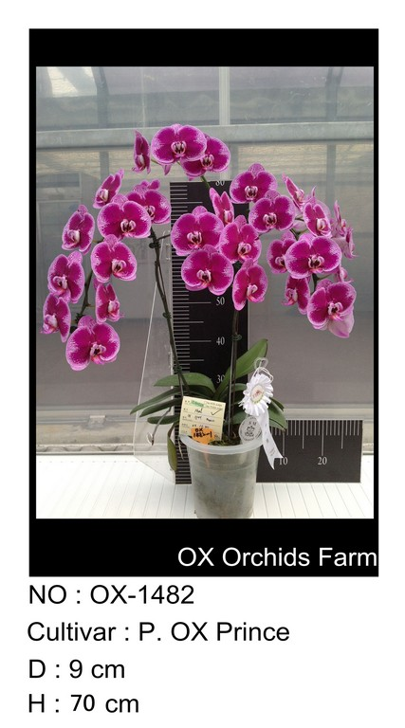 | AJT-078 | Mericlone (23 plants per flask) Plastic Container | Phal. OX Prince | 7 | 9 | 70 | $75.00 |  | $0.00
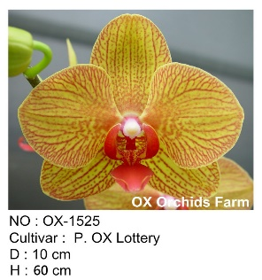 | 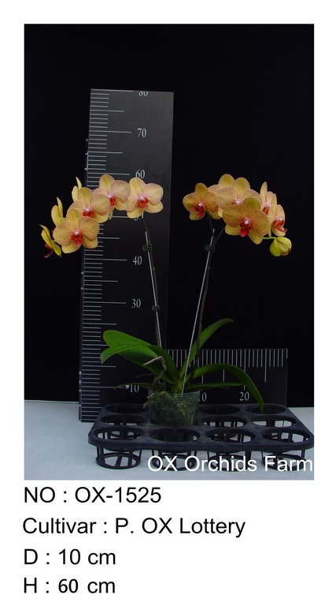 | AJT-047 | Mericlone (23 plants per flask) Plastic Container | Phal. OX Lottery | 3 | 10 | 60 | $75.00 |  | $0.00
 | 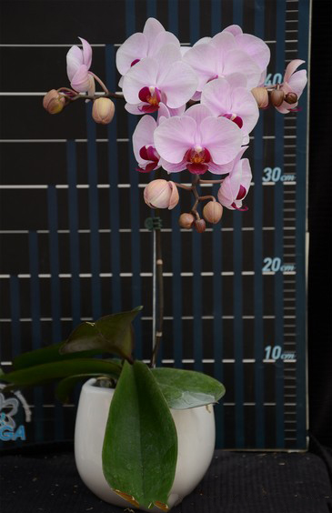 | AJT-064 | Mericlone (23 plants per flask) Plastic Container | Phal. Ganlin Passion | n/a | 7.5 | 55 | $75.00 |  | $0.00
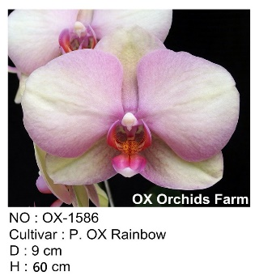 | 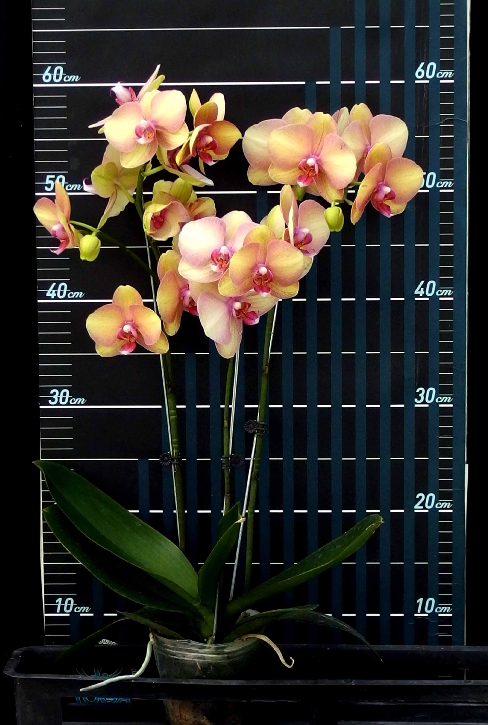 | AJT-031 | Mericlone (15 plants per flask) Plastic Container | Phal. OX Rainbow | 7 | 9 | 60 | $75.00 |  | $0.00
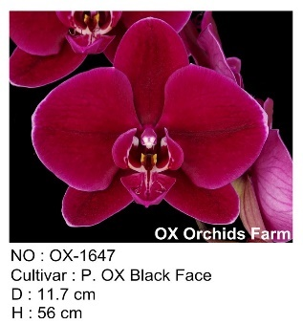 | 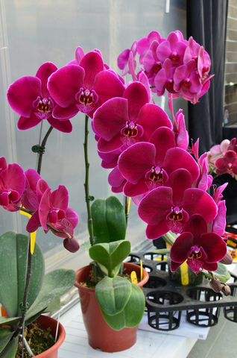 | AJT-029 | Mericlone (23 plants per flask) Plastic Container | Phal. OX Black Face | 6 | 11.7 | 60 | $75.00 |  | $0.00
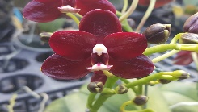 |  | AJT-107 | Mericlone (23 plants per flask) Plastic Container | Phal. Natsume's Berry | 3 | 3.5 | 36 | $75.00 |  | $0.00
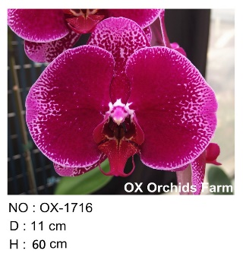 | 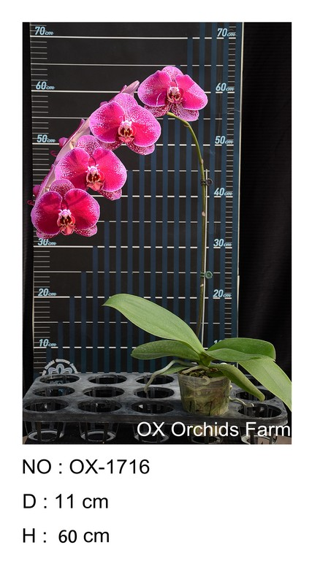 | AJT-054 | Mericlone (23 plants per flask) Plastic Container | Phal. OX Purple Lady | 5 | 11.8 | 70 | $75.00 |  | $0.00
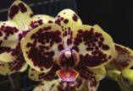 | 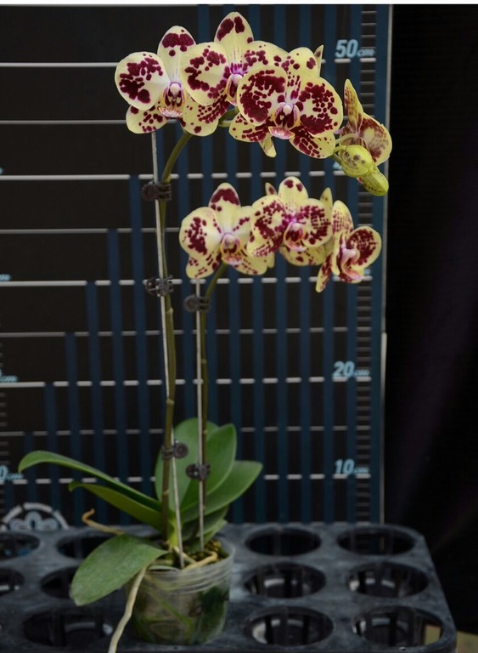 | AJT-021 | Mericlone (23 plants per flask) Plastic Container | Phal. OX Diamond | 2 | 7.6 | 44.8 | $75.00 |  | $0.00
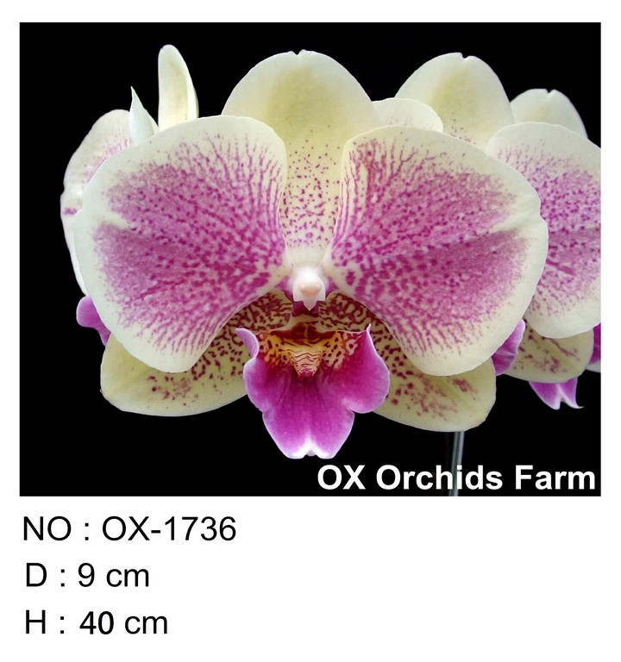 | 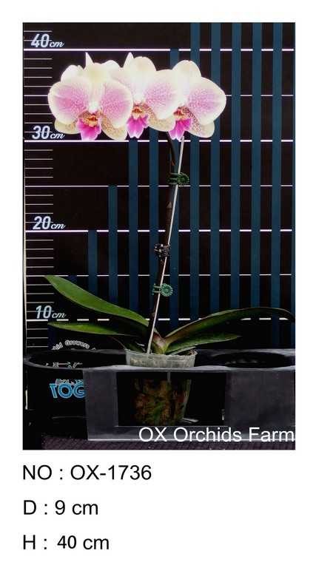 | AJT-085 | Mericlone (23 plants per flask) Plastic Container | Phal. OX Viel | n/a | 9 | 58 | $75.00 |  | $0.00
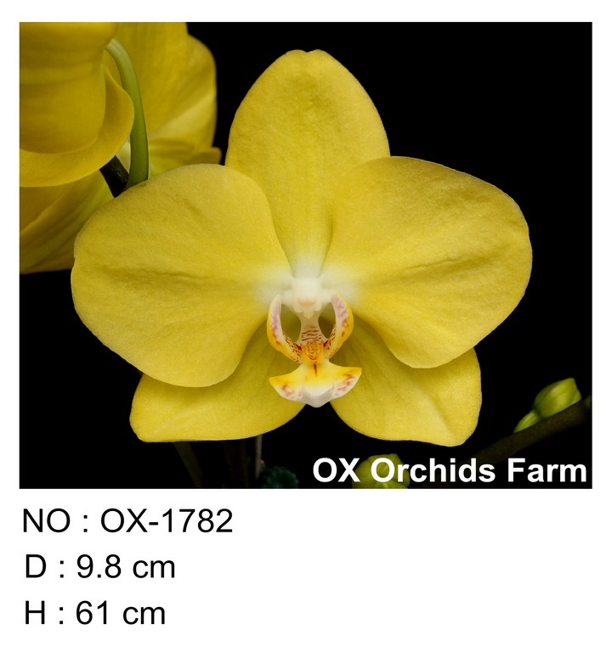 | 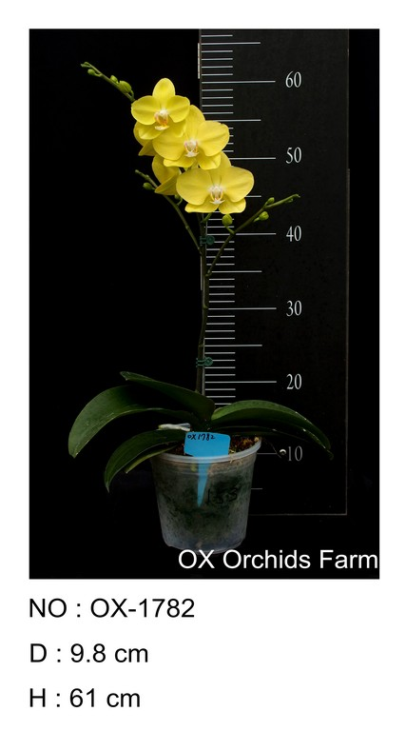 | AJT-094 | Mericlone (23 plants per flask) Plastic Container | Phal. OX Sun Light | 3 | 9.8 | 50 | $75.00 |  | $0.00
 |  | AJT-144 | Mericlone (23 plants per flask) Plastic Container | Phal. OX Gemini | 3 | 9.8 | 63 | $75.00 |  | $0.00
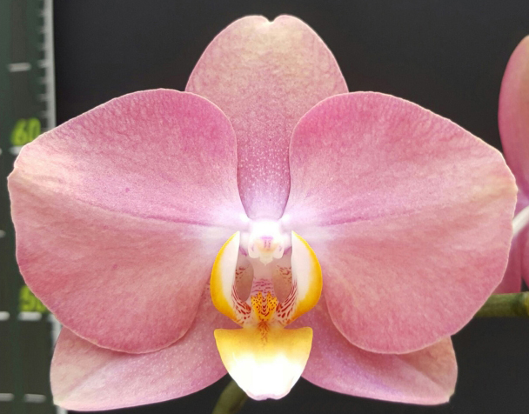 | 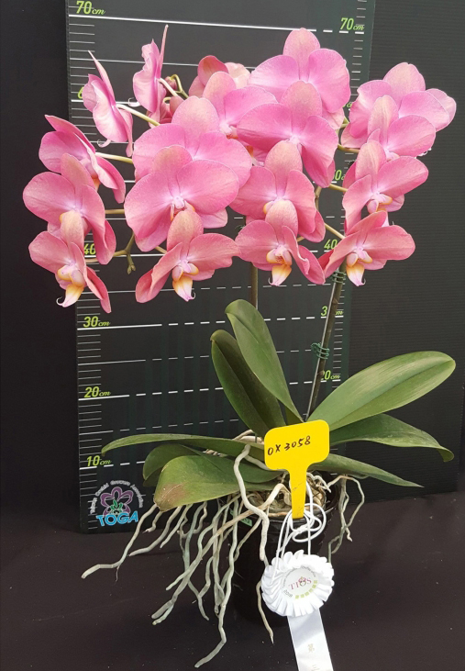 | AJT-170 | Mericlone (23 plants per flask) Plastic Container | Phal. OX Luna Rosa | 3 | 9.5 | 58 | $75.00 |  | $0.00
 |  | AJT-106 | Mericlone (23 plants per flask) Plastic Container | Phal. OX Little Green Plum | 5 | 6.5 | 40 | $75.00 |  | $0.00
 |  | AJT-148 | Mericlone (23 plants per flask) Plastic Container | Phal. OX Emerald Tears | n/a | 9.5 | 62 | $75.00 |  | $0.00
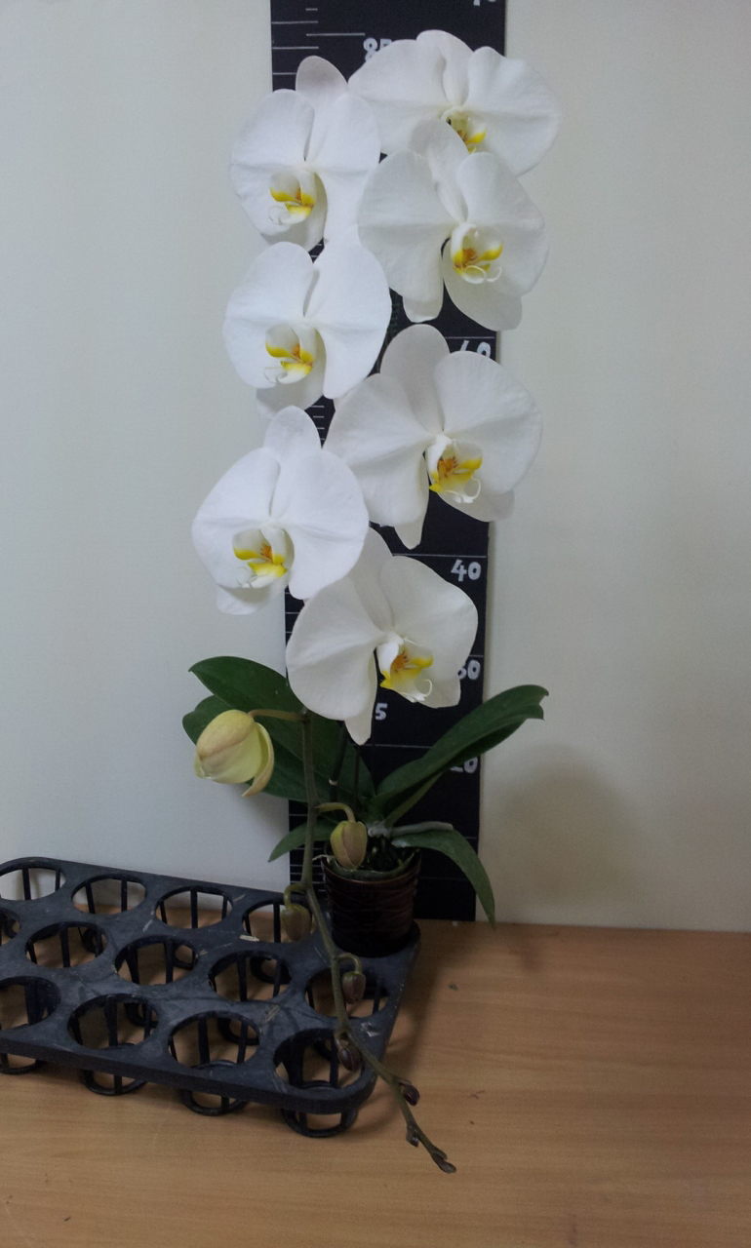 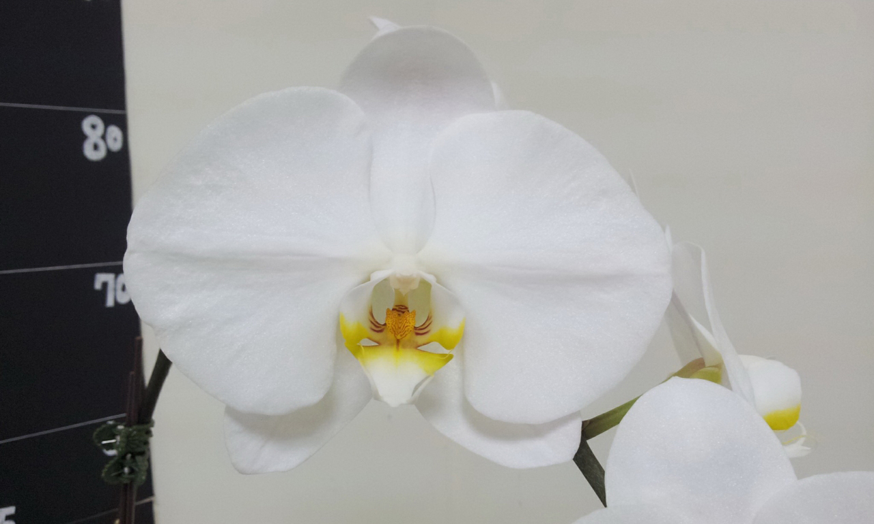 |  | AJP-011 | Mericlone (13 plants per flask) Glass Flask | Phal. Sogo Yukidian 'V3' | 2 | 12 | 60 | $45.00 |  | $0.00
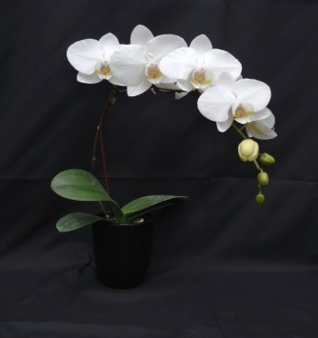 |  | AJP-261 | Mericlone (13 plants per flask) Glass Flask | Name to follow …. | 0 | 7.5 | 40 | $45.00 |  | $0.00
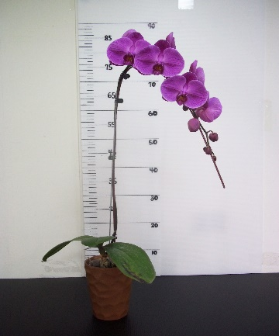 | 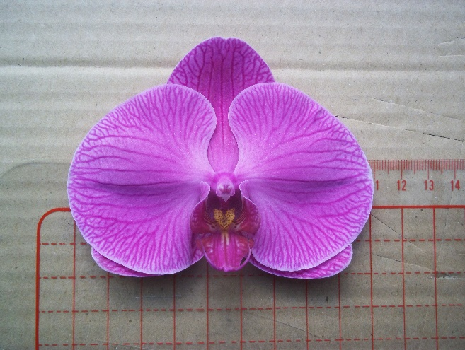 | AJP-012 | Mericlone (13 plants per flask) Glass Flask | Phal. (Ruey Lin Beauty x New Eagle) | 0 | 10 | 50 | $45.00 |  | $0.00
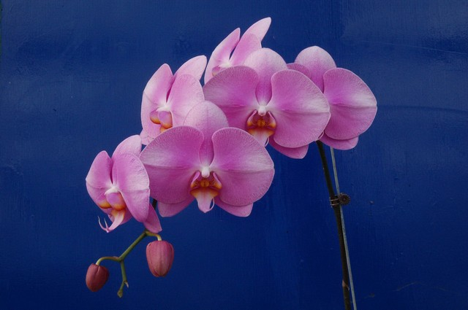 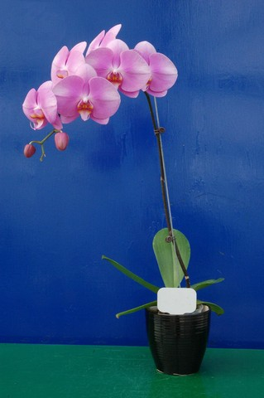 |  | AJP-081 | Mericlone (13 plants per flask) Glass Flask | Dtps. Kung's Valentine | 1 | 11 | 50 | $45.00 |  | $0.00
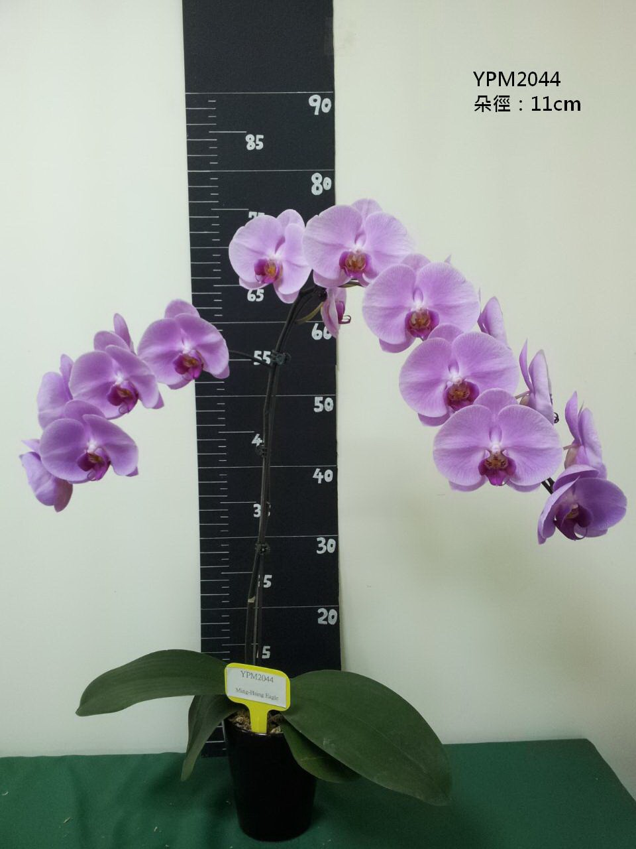 | 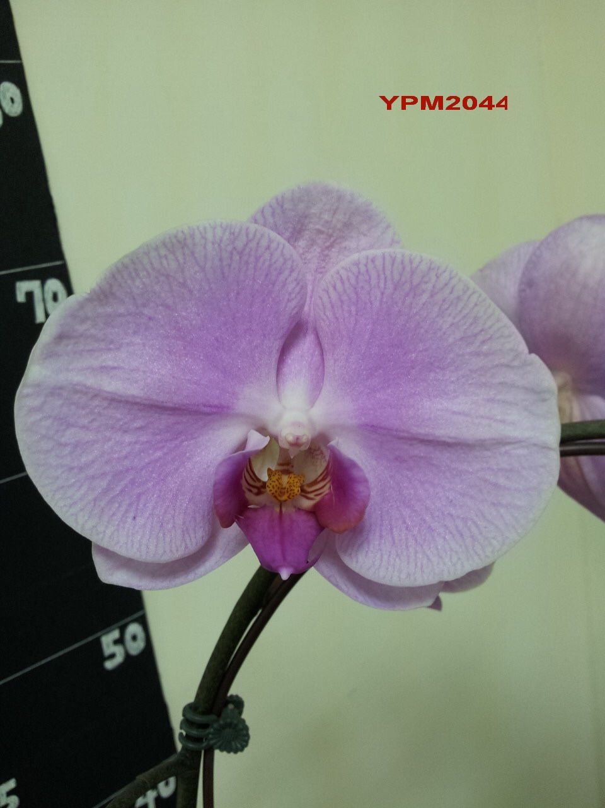 | AJP-014 | Mericlone (13 plants per flask) Glass Flask | Phal. Ming-Hsing Eagle | 0 | 12 | 50 | $45.00 |  | $0.00
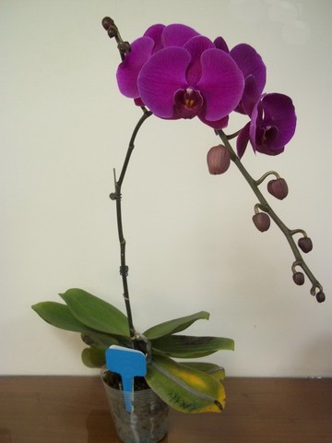 | 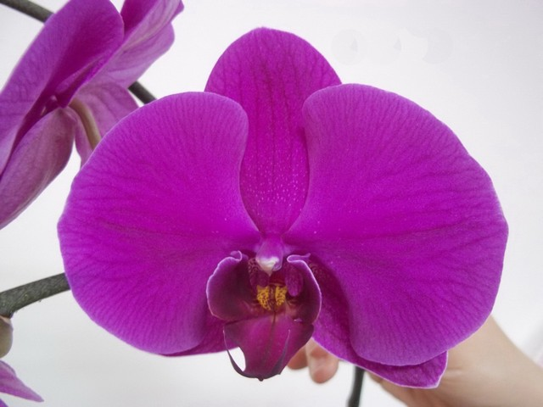 | AJP-217 | Mericlone (13 plants per flask) Glass Flask | Phal. Big Chili | 0 | 10 | 50 | $45.00 |  | $0.00
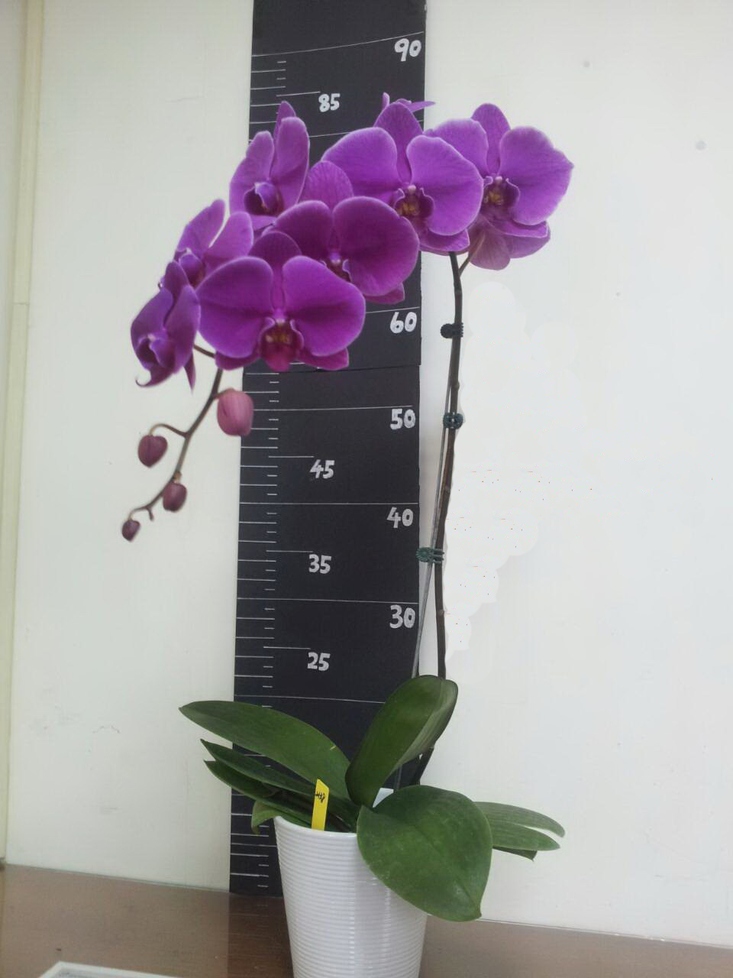 | 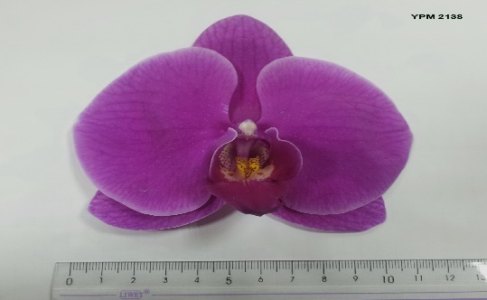 | AJP-218 | Mericlone (13 plants per flask) Glass Flask | Name to follow …. | 0 | 12 | 55 | $45.00 |  | $0.00
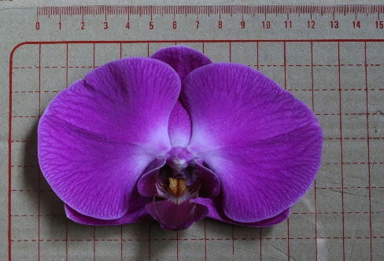 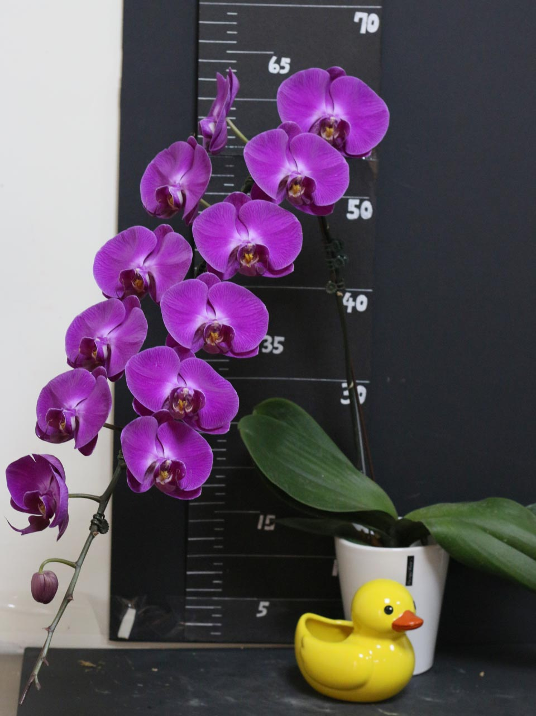 |  | AJP-262 | Mericlone (13 plants per flask) Glass Flask | Name to follow …. | 0 | 11 | 55 | $45.00 |  | $0.00
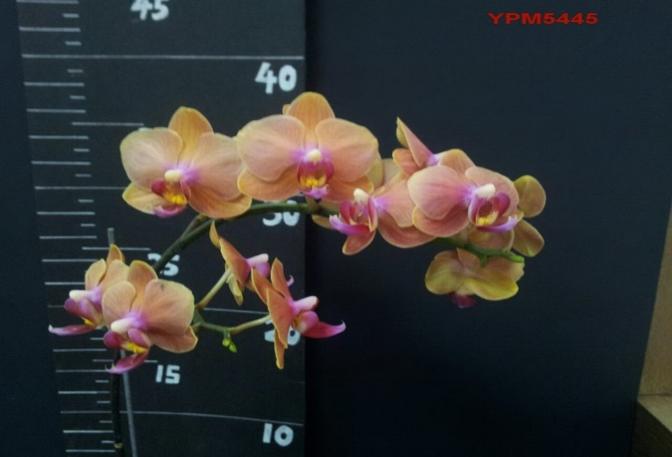 |  | AJP-317 | Mericlone (13 plants per flask) Glass Flask | Phal. Summer Love | 1 | 5 | 30 | $45.00 |  | $0.00
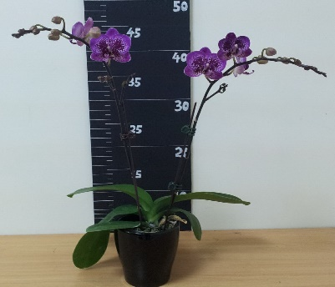 |  | AJP-022 | Mericlone (13 plants per flask) Glass Flask | Dtps. Burgundy | 1 | 6 | 40 | $45.00 |  | $0.00
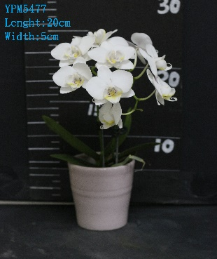 |  | AJP-271 | Mericlone (13 plants per flask) Glass Flask | Phal. amabilis | 0 | 6 | 40 | $45.00 |  | $0.00
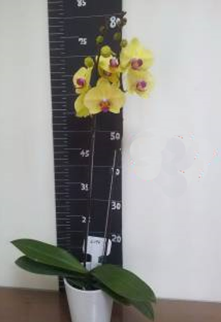 |  | AJP-156 | Mericlone (13 plants per flask) Glass Flask | Phal. Golden Treasure | 0 | 10 | 60 | $45.00 |  | $0.00
 |  | AJP-046 | Mericlone (13 plants per flask) Glass Flask | Phal. Yu Pin Golden Wing | 1 | 12 | 50 | $45.00 |  | $0.00
 |  | AJP-278 | Mericlone (13 plants per flask) Glass Flask | Phal. Fuller's Sunset | 1 | 9 | 50 | $45.00 |  | $0.00
 |  | AJP-319 | Mericlone (13 plants per flask) Glass Flask | Phal. Candy Ball | 1 | 12 | 50 | $45.00 |  | $0.00
 |  | AJP-237 | Mericlone (13 plants per flask) Glass Flask | Dtps. Happy Dancer | 0 | 11 | 55 | $45.00 |  | $0.00
 |  | AJP-052 | Mericlone (13 plants per flask) Glass Flask | Dtps. Ching Hua Magic x Phal. Taisuco Kochdian | 2 | 12 | 50 | $45.00 |  | $0.00
 |  | AJP-139 | Mericlone (13 plants per flask) Glass Flask | Doritaenopsis Dream Girl '9120' | 1 | 11 | 55 | $45.00 |  | $0.00
 |  | AJP-062 | Mericlone (13 plants per flask) Glass Flask | Dtps. Happy Dancer | 1 | 10 | 55 | $45.00 |  | $0.00
 |  | AJP-057 | Mericlone (13 plants per flask) Glass Flask | Phal. Dream Girl '9078' | 2 | 11 | 55 | $45.00 |  | $0.00
 |  | AJP-066 | Mericlone (13 plants per flask) Glass Flask | Phal. Vandita | 1 | 8 | 40 | $45.00 |  | $0.00
 |  | AJP-142 | Mericlone (13 plants per flask) Glass Flask | Phal. Skylar Love | 2 | 7 | 40 | $45.00 |  | $0.00
 |  | AJP-169 | Mericlone (13 plants per flask) Glass Flask | Dtps. Amelie | 1 | 10-11 | 40-45 | $45.00 |  | $0.00
 |  | AJP-315 | Mericlone (13 plants per flask) Glass Flask | Phal. Chian Xen City Lady | 1 | 10 | 55 | $45.00 |  | $0.00
 |  | AJP-285 | Mericlone (13 plants per flask) Glass Flask | Name to follow …. | 0 | 10 | 50 | $45.00 |  | $0.00
 |  | AJP-230 | Mericlone (13 plants per flask) Glass Flask | Name to follow …. | 0 | 11 | 50 | $45.00 |  | $0.00
 |  | AJP-320 | Mericlone (13 plants per flask) Glass Flask | Phal. Gizmo | 2 | 12 | 50 | $45.00 |  | $0.00
 |  | AJP-321 | Mericlone (13 plants per flask) Glass Flask | Phal. Taurus | 1 | 12 | 50 | $45.00 |  | $0.00
 |  | AJP-322 | Mericlone (13 plants per flask) Glass Flask | Phal. Goliath | 1 | 12 | 50 | $45.00 |  | $0.00
 |  | AJP-323 | Mericlone (13 plants per flask) Glass Flask | Phal. Maxxima | 1 | 12 | 50 | $45.00 |  | $0.00
 | LATE INCLUSIONS …..
 |  | AJX-001 |  | Clowesetum Penang Waltz | 0 |  |  | $150.00 |  | $0.00
 |  | AJX-002 |  | Clowesia Jumbo Grace 'Jumbo Orchids' | 0 |  |  | $150.00 |  | $0.00
 |  | AJX-003 |  | Vanda luzonica x sib | 0 |  |  | $165.00 |  | $0.00
 |  | AJX-004 |  | Phalaenopsis (Philishill x gigantea) | 0 |  |  | $195.00 |  | $0.00
 |  | AJX-005 |  | Phal. parishii x sib | 0 |  |  | $150.00 |  | $0.00
 |  | AJX-006 |  | P. (speciosa 'Blue middle' x Freya’s Blue Origin) | 0 |  |  | $150.00 |  | $0.00
 |  | AJX-007 |  | P. (violacea indigo x YangYang Blue Baby) | 0 |  |  | $165.00 |  | $0.00
 |  | AJX-008 |  | Holcoglossum amesianum x sib | 0 |  |  | $135.00 |  | $0.00
 |  | AJX-009 |  | Vanda cristata x Phalaenopsis equestris 'Pink purple' | 0 |  |  | $180.00 |  | $0.00
 |  | AJX-010 |  | Ren. Amayani x Vanda tricolor | 0 |  |  | $150.00 |  | $0.00
 |  | AJX-011 |  | Phal. speciosa 'blue middle' x Phal. Mituo Blue Bear 'MO686' | 0 |  |  | $150.00 |  | $0.00
 |  | AJX-012 |  | Renanthopsis CATAS Yellow Flame | 0 |  |  | $180.00 |  | $0.00
 |  | AJX-013 |  | Ren. Amayani x P. schilleriana 'TKB' | 0 |  |  | $180.00 |  | $0.00
 |  | AJX-014 |  | Phal. (Yaphon Green Batman 'peloric' x Fangmei Black Piano 'peloric') | 0 |  |  | $150.00 |  | $0.00
 |  | AJX-015 |  | Phal. (KS Samera x Mituo Purple Dragon #6) | 0 |  |  | $150.00 |  | $0.00
 |  | AJX-016 |  | Phalaenopsis (gigantea x kunstleri 'Jumbo') | 0 |  |  | $195.00 |  | $0.00
 |  | AJX-017 |  | Phal. (CTL Michollens Queen x cornigiana) | 0 |  |  | $195.00 |  | $0.00
 |  | AJX-018 |  | Phal. (CTL Gigan Tetraskun x cornigiana) | 0 |  |  | $195.00 |  | $0.00
 |  | AJX-019 |  | Phal. (cornu-cervi x bellina) | 0 |  |  | $195.00 |  | $0.00
 |  | AJX-020 |  | Phal. (Pawanrret x CTL Net Stripes) | 0 |  |  | $195.00 |  | $0.00
 |  | AJX-021 |  | Phal. (I-Hsin Moon Ice x CTL Star Christopher) | 0 |  |  | $195.00 |  | $0.00
 |  | AJX-022 |  | Phal. (GW Green World x sumatrana) | 0 |  |  | $165.00 |  | $0.00
 |  | AJX-023 |  | Phal. Mituo Love (Mituo Prince x LD Bellina Eagle) | 0 |  |  | $295.00 |  | $0.00
 |  | AJX-024 |  | Phal. Mituo Prince 'Rainbow' | 0 |  |  | $295.00 |  | $0.00
 |  | AJX-025 |  | Phal. Fuller's sunset "peloric" | 0 |  |  | $295.00 |  | $0.00
 |  | AJX-026 |  | P.Liu’s triprince pink peloric | 0 |  |  | $195.00 |  | $0.00
 |  | AJX-027 |  | P. I-Hsin Fantasist “Peloric” | 0 |  |  | $245.00 |  | $0.00
 |  | AJX-028 |  | Phalaenopsis Lianher Cranberry 'Cha Cha’ “peloric" | 0 |  |  | $165.00 |  | $0.00
 |  | AJX-029 |  | Phal. Chiada Nina “peloric” | 0 |  |  | $210.00 |  | $0.00
 |  | AJX-030 |  | Phal. Liu’s Sakura | 0 |  |  | $165.00 |  | $0.00
 |  | AJX-031 |  | Phal. I-Hsin Beitou 'peloric' | 0 |  |  | $165.00 |  | $0.00
 |  | AJX-032 |  | Phalaenopsis Jiaho Purple Eagle “POM” (Dragon Tree Eagle "DT168" x speciosa) | 0 |  |  | $195.00 |  | $0.00
 |  | AJX-033 |  | P. I-Hsin Yellow Wave "peloric" | 0 |  |  | $165.00 |  | $0.00
 |  | AJX-034 |  | Phal. (Rainbow Jade Green x tetraspis v. alba ‘PO') | 0 |  |  | $165.00 |  | $0.00
 |  | AJX-035 |  | P. Yaphon Yellow Bomb | 0 |  |  | $165.00 |  | $0.00
 |  | AJX-036 |  | Phalaenopsis I-Hsin Samuel “tri-lips" | 0 |  |  | $165.00 |  | $0.00
 |  | AJX-037 |  | Phalaenopsis (Yaphon Cupid x lobbi) #1 | 0 |  |  | $165.00 |  | $0.00
 |  | AJX-038 |  | P. CTL Christopher ”POM#2” (Tzu Chiang Chrisna x LD's Bear Queen) | 0 |  |  | $150.00 |  | $0.00
 |  |  |  |  |  |  |  |  |  | $0.00

 |  |  |  |  |  | Total inc. GST: |  |  |  | $0.00

 |  |  |  | Quantity Discounts: 1-5 flasks NETT,
 |  |  |  | 6-10 flasks less 2.5%,
 |  |  |  | 11-20 less 5%,
 |  |  |  | 21-30 less 10%,
 |  |  |  | 31-40 less 15%,
 |  |  |  | over 40 less 20%

